UITLEG
LET OP! |  | Version V1.4
- Lees eerst de volledige uitleg alvorens de Discounted Cash Flow Calculator te gebruiken!
- Wijzig in het Dashboard alleen de grijze cellen, de overige cellen zijn formules |  | Updates:
- Let op dat de punt komma notering als volgt is ingesteld voor Windows: 1.234,56 |  | Added prognosis for next fiscal year; added graph for outstanding shares; changed order of fiscal years; Minor Bug Fixes; Adjusted Yahoo data for start Fiscal Year
Disclaimer
Deze excel sheet is slechts een hulpmiddel bij het bepalen van de fair value van een aandeel, deze sheet is niet bedoeld als een vorm van financieel advies. Voor het kopen van een aandeel word het aangeraden om altijd een uitgebreide fundamentele analyse te maken. De maker van de sheet is niet verantwoordelijk voor fouten in het bestand en de eventuele gevolgen van die fouten. |  | Gemaakt door: Maarten Brandenburg

Stap 1 | Zorg dat je altijd een leeg template gebruikt, op deze manier voorkom je eventuele kopie fouten van voorgaande berekeningen.

Stap 2 | Vul in het Dashboard de grijze velden in met de informatie van het aandeel.

Stap 3 | Vul de sheet "DEGIRO RESULTATENREKENING" met de data van De Giro van het betreffende aandeel. Plak de data en kies aanpassen aan doelopmaak. Let op zorg dat "Fiscal Period" in cell A1 word geplakt! Zie hieronder het voorbeeld:

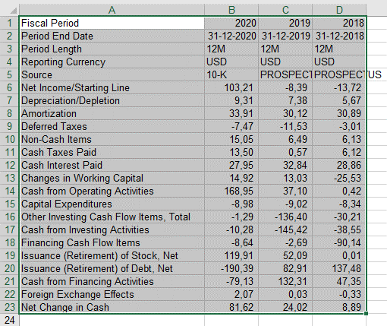

Stap 4 | Herhaal dit voor de Interim Cijfers met de data van De Giro van het betreffende aandeel. Plak de data en kies aanpassen aan doelopmaak. Let op zorg dat "Fiscal Period" in cell L1 word geplakt! Zie hieronder het voorbeeld:

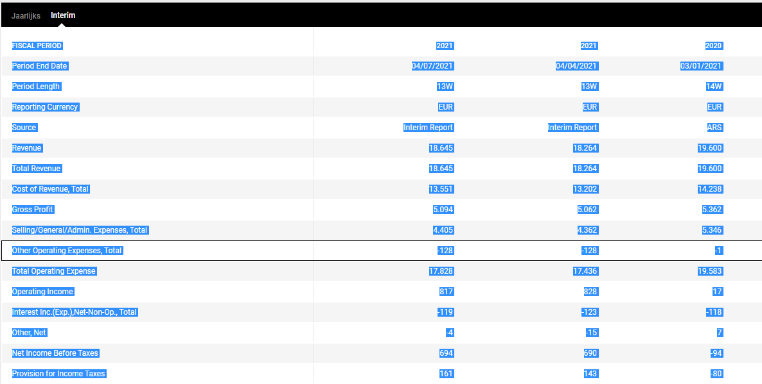
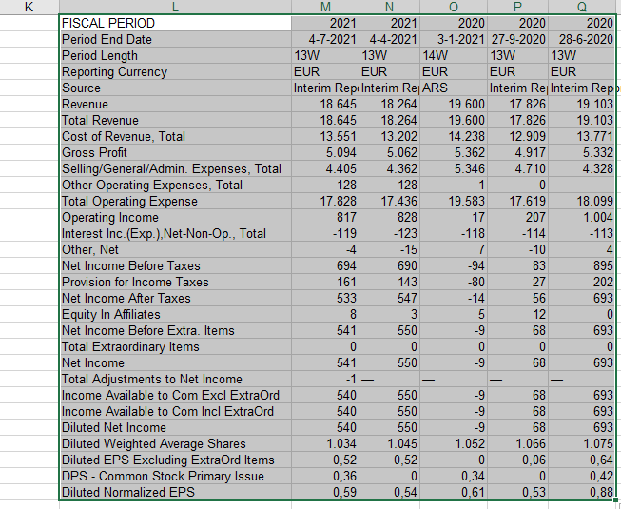

Stap 5 | Herhaal stap 3 en 4 voor de sheets "DEGIRO BALANS" en "DEGIRO KASSTROOM".

Stap 6 | Ga naar Yahoo Finance van het betreffende aandeel en ga naar Historical Data, selecteer de maximale termijn, kies "Historical Prices" en kies als frequentie "Daily".

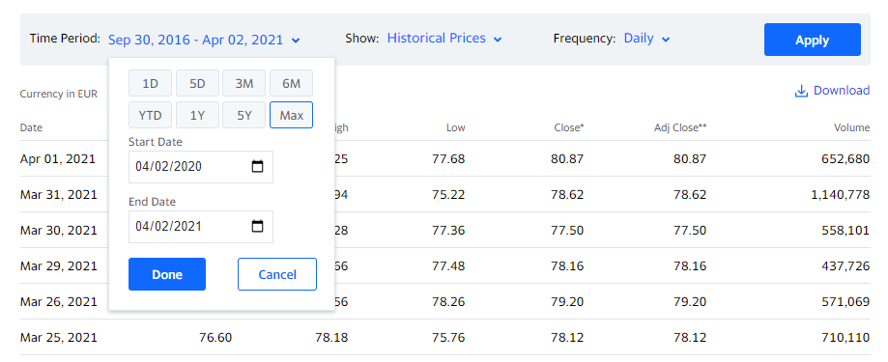

Stap 7 | Selecteer de data van nu tot minimaal 7 (waar mogelijk, anders het maximale mogelijk) jaar geleden en kopieer en plak deze in de YAHOO HISTORICAL DATA sheet. (LET OP: Plak de data en kies aanpassen aan doelopmaak!)

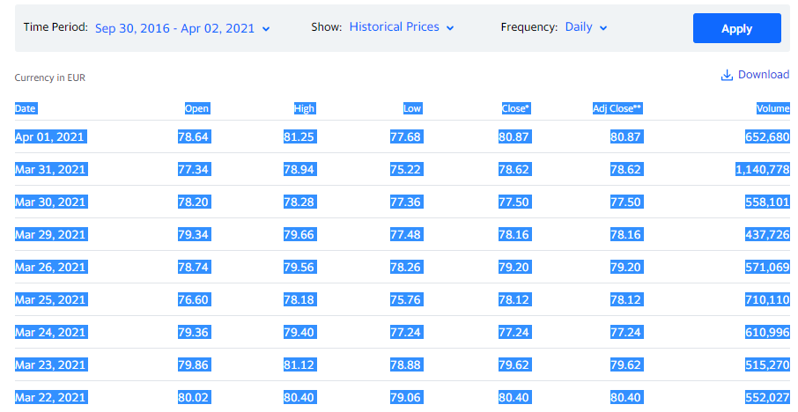

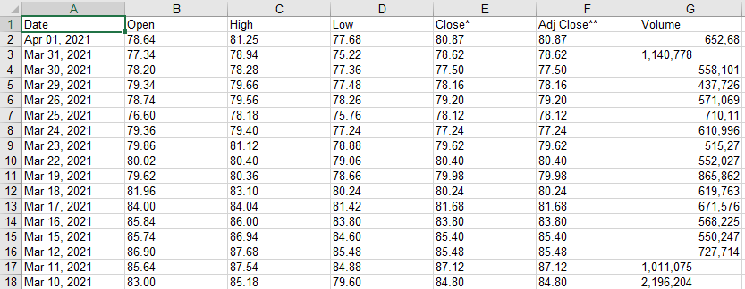

Stap 5 | Controleer of er geen errors zijn in het document.

Stap 8 | Controleer of er geen errors zijn in het document.

 | Bij een ERROR melding in 1 van de sheets, kijk dan eerst naar wat de melding is en probeer deze te verhelpen. Moet je de data set controleren? Kijk dan eerst of de post misschien anders geschreven is in de data van de giro, bijvoorbeeld "Research & Development" als "R&D" of "Cash and Equivalents" als "Cash". Zo ja, verander dan de naam in de data set zo dat deze overeenkomt met de sheet. Komt de post niet voor in de data, verwijder dan de inhoud van kolom B van die betreffende regel waar de error wordt gegeven. In veel van de gevallen kan de sheet gewoon nog gebruikt worden.

DASHBOARD
Input |  |  |  | () |  |  |  |  |  |  |  | Check | 24
Date | 1900-01-01 | Today is: | 2021-08-29 |  |  |  | Version V1.4 |  |  |  |  |  |  | Expected Growth | Australia Dollar | AUD
 |  |  |  |  |  |  |  |  |  |  |  |  |  | Historic Absolute Growth | Great Britain Pound | GBP
Share Name |  |  |  |  |  |  | Updates: |  |  |  |  |  |  | Historic Percentage Growth | Euro | EUR
Ticker |  |  |  |  |  |  | Added prognosis for next fiscal year; added graph for outstanding shares; changed order of fiscal years; Minor Bug Fixes; Adjusted Yahoo data for start Fiscal Year |  |  |  |  |  |  | Manual | Japan Yen | JPY
ISIN |  |  |  |  |  |  |  |  |  |  |  |  |  |  | Switzerland Franc | CHF
Stock Exchange |  |  |  |  |  |  |  |  |  |  |  |  |  |  | USA Dollar | USD
 |  |  |  |  |  |  | Gemaakt door: Maarten Brandenburg |  |  |  |  |  |  | Based on lineair growth | Scroll down for more…...
Current Price of Share |  |  |  |  |  |  |  |  |  |  |  |  |  | Compared to previous period last year
Share Price Currency |  | ERROR - SELECT CURRENCY |  |  |  |  |  |  |  |  |  |  | 1 | Don’t calculate prognosis, only use full year reports | Afghanistan Afghani | AFN
 |  |  |  |  |  |  | Notes: |  |  |  |  |  |  | 0 | Albania Lek | ALL
Minimum Yield Required | 10.0% |  |  |  |  |  |  |  |  |  |  |  |  |  | Algeria Dinar | DZD
 |  |  |  |  |  |  |  |  |  |  |  |  |  |  | Angola Kwanza | AOA
Cash Flow Growth (Eternity) | 3.0% |  |  |  |  |  |  |  |  |  |  |  |  |  | Argentina Peso | ARS
Cash Flow Growth (1 - 5 jaar) | 15.0% |  |  |  |  |  |  |  |  |  |  |  |  |  | Armenia Dram | AMD
Cash Flow Growth (6 - 10 jaar) | 10.0% |  |  |  |  |  |  |  |  |  |  |  |  |  | Aruba Florin | AWG
Cash Flow Calculation Method | Operating Cash Flow |  |  |  |  |  |  |  |  |  |  |  |  |  | Australia Dollar | AUD
Next 2 Year Cash Flow Based on | Expected Growth |  |  |  |  |  | Disclaimer: |  |  |  |  |  |  |  | Azerbaijan New Manat | AZN
 |  |  |  |  |  |  | Deze excel sheet is slechts een hulpmiddel bij het bepalen van de fair value van een aandeel, deze sheet is niet bedoeld als een vorm van financieel advies. Voor het kopen van een aandeel word het aangeraden om altijd een uitgebreide fundamentele analyse te maken. De maker van de sheet is niet verantwoordelijk voor fouten in het bestand en de eventuele gevolgen van die fouten. |  |  |  |  |  |  |  | Bahamas Dollar | BSD
Safety Margin | 25.0% |  |  |  |  |  |  |  |  |  |  |  |  |  | Bahrain Dinar | BHD
 |  |  |  |  |  |  |  |  |  |  |  |  |  |  | Bangladesh Taka | BDT
Way of Calculating Prognosis |  | Select Calculation Method! |  |  |  |  |  |  |  |  |  |  | 1 |  | Barbados Dollar | BBD
 |  |  | Please check DASHBOARD sheet for Errors |  |  |  |  |  |  |  |  |  |  |  | Belarus Ruble | BYR
Output |  |  | Please check CALCULATIONS sheet for Errors |  |  |  |  |  |  |  |  |  |  |  | Belize Dollar | BZD
Reporting Currency | 0 | ERROR - CHECK DATA SET |  |  |  |  |  |  |  |  |  |  | 1 |  | Bermuda Dollar | BMD
Latest Period End Date | 0 | Tip: Check for new fiscal report, the latest Period End Date is more than 100 days ago |  |  |  |  |  |  |  |  |  |  |  |  | Bhutan Ngultrum | BTN
Total Common Shares Outstanding 0 | - | ERROR - CHECK DATA SET |  |  |  |  |  |  |  |  |  |  | 1 |  | Bolivia Boliviano | BOB
Market Capitalization | - |  |  |  |  |  |  |  |  |  |  |  |  |  | Bosnia Mark | BAM
Average Share Price 1900 (YTD) | - | ERROR - DATE IS INCORRECT/DATE IS IN THE PAST |  |  |  |  |  |  |  |  |  |  | 1 |  | Botswana Pula | BWP
Average Daily Volume 1900 (YTD) | - | ERROR - DATE IS INCORRECT/DATE IS IN THE PAST |  |  |  |  |  |  |  |  |  |  | 1 |  | Brazil Real | BRL
 |  |  |  |  |  |  |  |  |  |  |  |  |  |  | Great Britain Pound | GBP
Fiscal Period | 0 | 1 | 2 | 3 | 4 | 5 | 6 | 7 | 8 | 9 | 10 |  |  |  | Brunei Dollar | BND
Free Cash Flow per Share | #DIV/0! | #DIV/0! | #DIV/0! | #DIV/0! | #DIV/0! | #DIV/0! | #DIV/0! | #DIV/0! | #DIV/0! | #DIV/0! | #DIV/0! |  |  |  | Bulgaria Lev | BGN
 |  |  |  |  |  |  |  |  |  |  |  |  |  |  | Burundi Franc | BIF
Terminal Value (Free Cash Flow per Share) | #DIV/0! |  |  |  |  |  |  |  |  |  |  |  |  |  | CFA Franc BCEAO | XOF
 |  |  |  |  |  |  |  |  |  |  |  |  |  |  | CFA Franc BEAC | XAF
 |  |  |  |  |  |  |  |  |  |  |  |  |  |  | CFP Franc | XPF
 |  |  |  |  |  |  |  |  |  |  |  |  |  |  | Cambodia Riel | KHR
 |  |  |  |  |  |  |  |  |  |  |  |  |  |  | Canada Dollar | CAD
 |  |  |  |  |  |  |  |  |  |  |  |  |  |  | Cape Verde Escudo | CVE
 |  |  |  |  |  |  |  |  |  |  |  |  |  |  | Cayman Islands Dollar | KYD
 |  |  |  |  |  |  |  |  |  |  |  |  |  |  | Chili Peso | CLP
 |  |  |  |  |  |  |  |  |  |  |  |  |  |  | China Yuan/Renminbi | CNY
 |  |  |  |  |  |  |  |  |  |  |  |  |  |  | Colombia Peso | COP
 |  |  |  |  |  |  |  |  |  |  |  |  |  |  | Comoros Franc | KMF
 |  |  |  |  |  |  |  |  |  |  |  |  |  |  | Congo Franc | CDF
 |  |  |  |  |  |  |  |  |  |  |  |  |  |  | Costa Rica Colon | CRC
 |  |  |  |  |  |  |  |  |  |  |  |  |  |  | Croatia Kuna | HRK
 |  |  |  |  |  |  |  |  |  |  |  |  |  |  | Cuba Convertible Peso | CUC
 |  |  |  |  |  |  |  |  |  |  |  |  |  |  | Cuba Peso | CUP
 |  |  |  |  |  |  |  |  |  |  |  |  |  |  | Czech Koruna | CZK
 |  |  |  |  |  |  |  |  |  |  |  |  |  |  | Denmark Krone | DKK
 |  |  |  |  |  |  |  |  |  |  |  |  |  |  | Djibouti Franc | DJF
 |  |  |  |  |  |  |  |  |  |  |  |  |  |  | Dominican Republich Peso | DOP
Cash & Equivalents | - | ERROR - CHECK DATA SET |  |  |  |  |  |  |  |  |  |  | 1 |  | East Caribbean Dollar | XCD
Cash Correction per aandeel | #DIV/0! |  |  |  |  |  |  |  |  |  |  |  |  |  | Egypt Pound | EGP
 |  |  |  |  |  |  |  |  |  |  |  |  |  |  | El Salvador Colon | SVC
Fair Value | #DIV/0! |  |  |  |  |  |  |  |  |  |  |  |  |  | Ethiopia Birr | ETB
Current Price vs. Fair Value | #DIV/0! |  |  |  |  |  |  |  |  |  |  |  |  |  | Euro | EUR
 |  |  |  |  |  |  |  |  |  |  |  |  |  |  | Falkland Islands Pound | FKP
Fair Value (Incl. marge) | #DIV/0! |  |  |  |  |  |  |  |  |  |  |  |  |  | Fiji Dollar | FJD
Current Price vs. Fair Value (incl. margin) | #DIV/0! |  |  |  |  |  |  |  |  |  |  |  |  |  | Gambia Dalasi | GMD
 |  |  |  |  |  |  |  |  |  |  |  |  |  |  | Georgia Lari | GEL
 | 0 | [Reference Share #1] | [Reference Share #2] | [Reference Share #3] | Average |  |  |  |  |  |  |  |  |  | Ghana New Cedi | GHS
Price to Earnings Ratio | #DIV/0! |  |  |  | #DIV/0! |  |  |  |  |  |  |  |  |  | Gibraltar Pound | GIP
Price to Earnings Growth Ratio | #DIV/0! |  |  |  | #DIV/0! |  |  |  |  |  |  |  |  |  | Guatemala Quetzal | GTQ
Price to Sales Ratio | #DIV/0! |  |  |  | #DIV/0! |  |  |  |  |  |  |  |  |  | Guinea Franc | GNF
Price to Cashflow Ratio | #DIV/0! |  |  |  | #DIV/0! |  |  |  |  |  |  |  |  |  | Guyana Dollar | GYD
Debt to Equity Ratio | - |  |  |  | #DIV/0! |  |  |  |  |  |  |  |  |  | Haiti Gourde | HTG
Price to Book Ratio | #DIV/0! |  |  |  | #DIV/0! |  |  |  |  |  |  |  |  |  | Honduras Lempira | HNL
 |  |  |  |  |  |  |  |  |  |  |  |  |  |  | Hong Kong Dollar | HKD
 | 0 | [Reference Share #1] | [Reference Share #2] | [Reference Share #3] |  |  |  |  |  |  |  |  |  |  | Hungary Forint | HUF
Dividend per Share in 0 | - |  |  |  |  |  |  |  |  |  |  |  |  |  | Iceland Krona | ISK
Current Dividend Yield | #DIV/0! |  |  |  |  |  |  |  |  |  |  |  |  |  | India Rupee | INR
 |  |  |  |  |  |  |  |  |  |  |  |  |  |  | Indonesia Rupiah | IDR
History |  |  |  |  |  |  |  |  |  |  |  |  |  |  | Iran Rial | IRR
Share |  |  |  |  |  |  |  |  |  |  |  |  |  |  | Iraq Dinar | IQD
Fiscal Period | 0 | 0 | 0 | 0 | 0 | 0 | 0 | Average (excl. YTD) | ERROR - CHECK DATA SET |  |  |  | 1 |  | Israel New Shekel | ILS
Average Share Price | - | - | - | - | - | - | - | #DIV/0! |  |  |  |  |  |  | Jamaica Dollar | JMD
Total Common Shares Outstanding | - | - | - | - | - | - | - | #DIV/0! | ERROR - CHECK DATA SET |  |  |  | 1 |  | Japan Yen | JPY
Average Market Capitalization | - | - | - | - | - | - | - | #DIV/0! |  |  |  |  |  |  | Jordan Dinar | JOD
Average Daily Volume | - | - | - | - | - | - | - | #DIV/0! |  |  |  |  |  |  | Kazakhstan Tenge | KZT
 |  |  |  |  |  |  |  |  |  |  |  |  |  |  | Kenya Shilling | KES
 |  |  |  |  |  |  |  |  |  |  |  |  |  |  | Kuwait Dinar | KWD
 |  |  |  |  |  |  |  |  |  |  |  |  |  |  | Kyrgyzstan Som | KGS
 |  |  |  |  |  |  |  |  |  |  |  |  |  |  | Laos Kip | LAK
 |  |  |  |  |  |  |  |  |  |  |  |  |  |  | Lebanon Pound | LBP
 |  |  |  |  |  |  |  |  |  |  |  |  |  |  | Lesotho Loti | LSL
 |  |  |  |  |  |  |  |  |  |  |  |  |  |  | Liberia Dollar | LRD
 |  |  |  |  |  |  |  |  |  |  |  |  |  |  | Libya Dinar | LYD
 |  |  |  |  |  |  |  |  |  |  |  |  |  |  | Macau Pataca | MOP
 |  |  |  |  |  |  |  |  |  |  |  |  |  |  | Macedonia Denar | MKD
 |  |  |  |  |  |  |  |  |  |  |  |  |  |  | Malagasy Ariary | MGA
 |  |  |  |  |  |  |  |  |  |  |  |  |  |  | Malawi Kwacha | MWK
 |  |  |  |  |  |  |  |  |  |  |  |  |  |  | Malaysia Ringgit | MYR
 |  |  |  |  |  |  |  |  |  |  |  |  |  |  | Maldives Rufiyaa | MVR
 |  |  |  |  |  |  |  |  |  |  |  |  |  |  | Mauritania Ouguiya | MRO
 |  |  |  |  |  |  |  |  |  |  |  |  |  |  | Mauritius Rupee | MUR
 |  |  |  |  |  |  |  |  |  |  |  |  |  |  | Mexico Peso | MXN
 |  |  |  |  |  |  |  |  |  |  |  |  |  |  | Moldova Leu | MDL
 |  |  |  |  |  |  |  |  |  |  |  |  |  |  | Mongolia Tugrik | MNT
Ratios |  |  |  |  |  |  |  |  |  |  |  |  |  |  | Morocco Dirham | MAD
Fiscal Period | 0 | 0 | 0 | 0 | 0 | 0 | 0 | Average (excl. Prognosis) | ERROR - CHECK DATA SET |  |  |  | 1 |  | Mozambique New Metical | MZN
Average Price to Earnings Ratio | - | - | - | - | - | - | - | #DIV/0! |  |  |  |  |  |  | Myanmar Kyat | MMK
Average Price to Earnings Growth Ratio | - | - | - | - | - | - | - | #DIV/0! |  |  |  |  |  |  | NL Antilles Guilder | ANG
Average Price to Sales Ratio | - | - | - | - | - | - | - | #DIV/0! |  |  |  |  |  |  | Namibia Dollar | NAD
Average Price to Cashflow Ratio | - | - | - | - | - | - | - | #DIV/0! |  |  |  |  |  |  | Nepal Rupee | NPR
Average Debt to Equity Ratio | - | - | - | - | - | - | - | #DIV/0! |  |  |  |  |  |  | New Zealand Dollar | NZD
Average Price to Book Ratio | - | - | - | - | - | - | - | #DIV/0! |  |  |  |  |  |  | Nicaragua Cordoba Oro | NIO
 |  |  |  |  |  |  |  |  |  |  |  |  |  |  | Nigeria Naira | NGN
 |  |  |  |  |  |  |  |  |  |  |  |  |  |  | North Korea Won | KPW
 |  |  |  |  |  |  |  |  |  |  |  |  |  |  | Norway Kroner | NOK
 |  |  |  |  |  |  |  |  |  |  |  |  |  |  | Oman Rial | OMR
 |  |  |  |  |  |  |  |  |  |  |  |  |  |  | Pakistan Rupee | PKR
 |  |  |  |  |  |  |  |  |  |  |  |  |  |  | Panama Balboa | PAB
 |  |  |  |  |  |  |  |  |  |  |  |  |  |  | Papua New Guinea Kina | PGK
 |  |  |  |  |  |  |  |  |  |  |  |  |  |  | Paraguay Guarani | PYG
 |  |  |  |  |  |  |  |  |  |  |  |  |  |  | Peru Nuevo Sol | PEN
 |  |  |  |  |  |  |  |  |  |  |  |  |  |  | Philippines Peso | PHP
 |  |  |  |  |  |  |  |  |  |  |  |  |  |  | Poland Zloty | PLN
 |  |  |  |  |  |  |  |  |  |  |  |  |  |  | Qatar Rial | QAR
 |  |  |  |  |  |  |  |  |  |  |  |  |  |  | Romania New Lei | RON
 |  |  |  |  |  |  |  |  |  |  |  |  |  |  | Russia Rouble | RUB
 |  |  |  |  |  |  |  |  |  |  |  |  |  |  | Rwanda Franc | RWF
 |  |  |  |  |  |  |  |  |  |  |  |  |  |  | Samoa Tala | WST
 |  |  |  |  |  |  |  |  |  |  |  |  |  |  | Sao Tome/Principe Dobra | STD
 |  |  |  |  |  |  |  |  |  |  |  |  |  |  | Saudi Arabia Riyal | SAR
 |  |  |  |  |  |  |  |  |  |  |  |  |  |  | Serbia Dinar | RSD
 |  |  |  |  |  |  |  |  |  |  |  |  |  |  | Seychelles Rupee | SCR
 |  |  |  |  |  |  |  |  |  |  |  |  |  |  | Sierra Leone Leone | SLL
 |  |  |  |  |  |  |  |  |  |  |  |  |  |  | Singapore Dollar | SGD
 |  |  |  |  |  |  |  |  |  |  |  |  |  |  | Solomon Islands Dollar | SBD
 |  |  |  |  |  |  |  |  |  |  |  |  |  |  | Somali Shilling | SOS
 |  |  |  |  |  |  |  |  |  |  |  |  |  |  | South Africa Rand | ZAR
 |  |  |  |  |  |  |  |  |  |  |  |  |  |  | South Korea Won | KRW
 |  |  |  |  |  |  |  |  |  |  |  |  |  |  | Sri Lanka Rupee | LKR
 |  |  |  |  |  |  |  |  |  |  |  |  |  |  | St Helena Pound | SHP
 |  |  |  |  |  |  |  |  |  |  |  |  |  |  | Sudan Pound | SDG
 |  |  |  |  |  |  |  |  |  |  |  |  |  |  | Suriname Dollar | SRD
 |  |  |  |  |  |  |  |  |  |  |  |  |  |  | Swaziland Lilangeni | SZL
 |  |  |  |  |  |  |  |  |  |  |  |  |  |  | Sweden Krona | SEK
 |  |  |  |  |  |  |  |  |  |  |  |  |  |  | Switzerland Franc | CHF
 |  |  |  |  |  |  |  |  |  |  |  |  |  |  | Syria Pound | SYP
 |  |  |  |  |  |  |  |  |  |  |  |  |  |  | Taiwan Dollar | TWD
 |  |  |  |  |  |  |  |  |  |  |  |  |  |  | Tanzania Shilling | TZS
 |  |  |  |  |  |  |  |  |  |  |  |  |  |  | Thailand Baht | THB
 |  |  |  |  |  |  |  |  |  |  |  |  |  |  | Tonga Pa'anga | TOP
Free Cash Flow |  |  |  |  |  |  |  |  |  |  |  |  |  |  | Trinidad/Tobago Dollar | TTD
Fiscal Period | 0 | 0 | 0 | 0 | 0 | 0 | 0 | Average (excl. Prognosis) | ERROR - CHECK DATA SET |  |  |  | 1 |  | Tunisia Dinar | TND
Free Cash Flow | - | - | - | - | - | - | - | #DIV/0! |  |  |  |  |  |  | Turkish New Lira | TRY
Total Common Shares Outstanding | - | - | - | - | - | - | - | #DIV/0! | ERROR - CHECK DATA SET |  |  |  | 1 |  | Turkmenistan Manat | TMM
Free Cash Flow per Share | - | - | - | - | - | - | - | #DIV/0! |  |  |  |  |  |  | USA Dollar | USD
Free Cash Flow Growth per Share Absolute | - | - | - | - | - | - | - | #DIV/0! |  |  |  |  |  |  | Uganda Shilling | UGX
Free Cash Flow Growth per Share Percentage | 0.00% | 0.00% | 0.00% | 0.00% | 0.00% | 0.00% | 0.00% | #DIV/0! |  |  |  |  |  |  | Ukraine Hryvnia | UAH
 |  |  |  |  |  |  |  |  |  |  |  |  |  |  | Uruguay Peso | UYU
 |  |  |  |  |  |  |  |  |  |  |  |  |  |  | United Arab Emirates Dirham | AED
 |  |  |  |  |  |  |  |  |  |  |  |  |  |  | Vanuatu Vatu | VUV
 |  |  |  |  |  |  |  |  |  |  |  |  |  |  | Venezuela Bolivar | VEB
 |  |  |  |  |  |  |  |  |  |  |  |  |  |  | Vietnam Dong | VND
 |  |  |  |  |  |  |  |  |  |  |  |  |  |  | Yemen Rial | YER
 |  |  |  |  |  |  |  |  |  |  |  |  |  |  | Zambia Kwacha | ZMK
 |  |  |  |  |  |  |  |  |  |  |  |  |  |  | Zimbabwe Dollar | ZWD

Revenue
Fiscal Period | 0 | 0 | 0 | 0 | 0 | 0 | 0 | Average (excl. Prognosis) | ERROR - CHECK DATA SET |  |  |  | 1
Total Revenue | - | - | - | - | - | - | - | #DIV/0! | ERROR - CHECK DATA SET |  |  |  | 1
Total Common Shares Outstanding | - | - | - | - | - | - | - | #DIV/0! | ERROR - CHECK DATA SET |  |  |  | 1
Revenue per share | - | - | - | - | - | - | - | #DIV/0!

Operating Expenses
Fiscal Period | 0 | 0 | 0 | 0 | 0 | 0 | 0 | Average (excl. Prognosis) | ERROR - CHECK DATA SET |  |  |  | 1
Total Operating Expense | - | - | - | - | - | - | - | #DIV/0! | ERROR - CHECK DATA SET |  |  |  | 1

Profits
Fiscal Period | 0 | 0 | 0 | 0 | 0 | 0 | 0 | Average (excl. Prognosis) | ERROR - CHECK DATA SET |  |  |  | 1
Gross Profit | - | - | - | - | - | - | - | #DIV/0! | ERROR - CHECK DATA SET |  |  |  | 1
Net Income | - | - | - | - | - | - | - | #DIV/0! | ERROR - CHECK DATA SET |  |  |  | 1

Gross Margin | 0.00% | 0.00% | 0.00% | 0.00% | 0.00% | 0.00% | 0.00% | #DIV/0!
Net Margin | 0.00% | 0.00% | 0.00% | 0.00% | 0.00% | 0.00% | 0.00% | #DIV/0!

Diluted Normalized EPS | - | - | - | - | - | - | - | #DIV/0! | ERROR - CHECK DATA SET |  |  |  | 1

Dividend
Fiscal Period | 0 | 0 | 0 | 0 | 0 | 0 | 0 | Average (excl. Prognosis) | ERROR - CHECK DATA SET |  |  |  | 1
Total Cash Dividends Paid | - | - | - | - | - | - | - | #DIV/0! | ERROR - CHECK DATA SET |  |  |  | 1
DPS - Common Stock Primary Issue | - | - | - | - | - | - | - | #DIV/0! | ERROR - CHECK DATA SET |  |  |  | 1

